Main Dashboard
Plato's Pizza
Overall Sales Insights
Best Selling Pizzas

Total Orders | Pizza Sold | Total Reveune | Average Sales
21350 | 49574 | $817,860.05 | $38.31
 | Total Reveune | Total Orders
Jan | $69,793.30 | 1845
Feb | $65,159.60 | 1685
Mar | $70,397.10 | 1840
Apr | $68,736.80 | 1799
May | $71,402.75 | 1853
Jun | $68,230.20 | 1773
Jul | $72,557.90 | 1935
Aug | $68,278.25 | 1841
Sep | $64,180.05 | 1661
Oct | $64,027.60 | 1646
Nov | $70,395.35 | 1792
Dec | $64,701.15 | 1680
Monthly Sales Trend
On week days, 12 pm to 2pm i.e. Lunch time is the busiest time.
Peak Selling Hours



Day-wise Sales Breakdown
 | Total Orders | Total Reveune | Average Sales
Sunday | 2624 | $99,203.50 | $37.81
Monday | 2794 | $107,329.55 | $38.41
Tuesday | 2973 | $114,133.80 | $38.39
Wednesday | 3024 | $114,408.40 | $37.83
Thursday | 3239 | $123,528.50 | $38.14
Friday | 3538 | $136,073.90 | $38.46
Saturday | 3158 | $123,182.40 | $39.01
Average Sales
 |  |  |  | Pivot
 |  |  |  |  | 10 | 11 | 12 | 13 | 14 | 15 | 16 | 17 | 18 | 19 | 20 | 21 | 22 | 23 | 9
 |  |  |  | Friday
Total Revenue
 |  |  |  | Monday
Quick Insight
64.11 % of total revenue was generated during peak hours
 |  |  |  | Saturday
On weekends, 6 pm to 9 pm i.e. dinner time is the busiest time
 |  | s |  | Sunday
Total Orders
 |  |  |  | Thursday
 |  |  |  | Tuesday
 |  |  |  | Wednesday

PizzaWise
Plato's Pizza
Overall Sales Insights
Best Selling Pizzas

Select a Month

All Time Highest Selling Pizzas
Monthly Top Selling Pizzas
 | Total
L | 38.17%
M | 31.33%
S | 29.50%
XL | 0.97%
XXL | 0.03%
Total Orders Made | Total Pizza Sold | Revenue Earned | Revenue Per order
1680 | 3935 | $64,701.15 | $38.51 | Total Orders | Pizza Sold | Total Reveune | Average Sales
 |  |  |  | 1680 | 3935 | $64,701.15 | $38.51
 | The Pepperoni Pizza | The Classic Deluxe Pizza | The Thai Chicken Pizza | The California Chicken Pizza | The Hawaiian Pizza
Total | 183 | 197 | 204 | 207 | 209
 | L | M | S
The Barbecue Chicken Pizza | 992 | 956 | 484
The Classic Deluxe Pizza | 473 | 1181 | 799
The Hawaiian Pizza | 919 | 483 | 1020
The Pepperoni Pizza | 728 | 939 | 751
The Thai Chicken Pizza | 1410 | 481 | 480

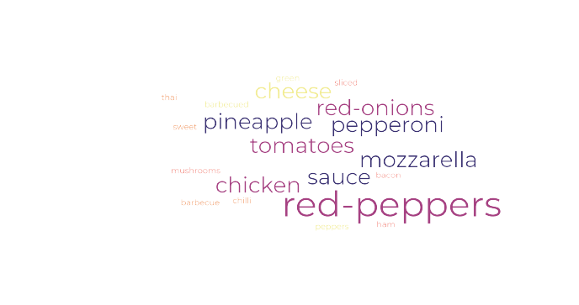

SIZES

 | Total
Chicken | 22.49%
Classic | 30.04%
Supreme | 23.71%
Veggie | 23.76%
 | L | M | S
The Brie Carre Pizza |  |  | 490
The Mediterranean Pizza | 370 | 275 | 289
The Calabrese Pizza | 276 | 562 | 99
The Spinach Supreme Pizza | 283 | 267 | 400
The Soppressata Pizza | 405 | 268 | 288
 |  |  |  |  |  |  |  | Pivot
 |  |  |  |  |  |  |  |  | 11 | 12 | 13 | 14 | 15 | 16 | 17 | 18 | 19 | 20 | 21 | 22 | 23
 |  |  |  |  |  |  |  | Friday
 |  |  |  |  |  |  |  | Monday
 |  |  |  |  |  |  |  | Saturday
 |  | s |  |  |  |  |  | Sunday
CATEGORIES
 |  |  |  |  |  |  |  | Thursday
 |  |  |  |  |  |  |  | Tuesday
 |  |  |  |  |  |  |  | Wednesday

